PRD
Product Requirement Document (PRD) - Version: 1.0

Template Name |  | Money Transfer system using Blockchain
Goals & Objective |  | We all transfer money. The goal of this website is to provide a secure and efficient platform for individuals and businesses to transfer money using blockchain technology. From this website user/miner can : - Send & Receive money with low cost transaction fee - Can see transparent ledger where all activity of transaction is shown - Can see block information - Miners can mine blocks - Miners can verify blocks - User/Miners can update their profile information
Client Information
Product Type |  | Web Application
Domain |  | Web2
Access Layers |  | User, Miner
Design Required |  | Yes

Phase | Item No | Specification [Role] | Screen Definition | User Story | Acceptance Criteria | UI Screen / Wireframe | Tags
Feature: 1 |  | Auth Feature
Feature: 2 |  | Dashboard
Feature: 3 |  | Top bar and Bottom Bar
Feature: 4 |  | Send Money
Feature: 5 |  | Public Ledger
Feature: 6 |  | Block
Feature: 7 |  | Mempool
Feature: 8 |  | Mine Blocks
Feature: 9 |  | Verify Blocks
Feature: 10 |  | Profile
Feature: 11 |  | Transaction details
Feature: 12 |  | Block details
Feature: 13 |  | Notification
Feature: 14 |  | Fllowed User
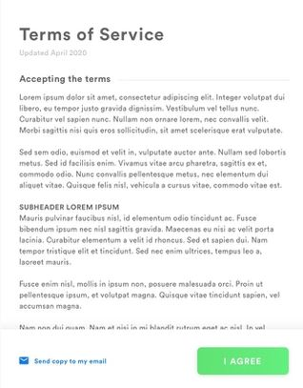
Feature: 15 |  | Legal Agreement Feature
Feature: 16 |  | Transaction History
Feature: 17 |  | About
Feature: 18 |  | Learning Portal
Feature: 19 |  | Deposit
Feature: 20 |  | FAQ
Feature: 21 |  | Currency Converstion
Feature: 22 |  | Request Bitcoin
Feature: 22 |  | Bill Payment

